Instructions
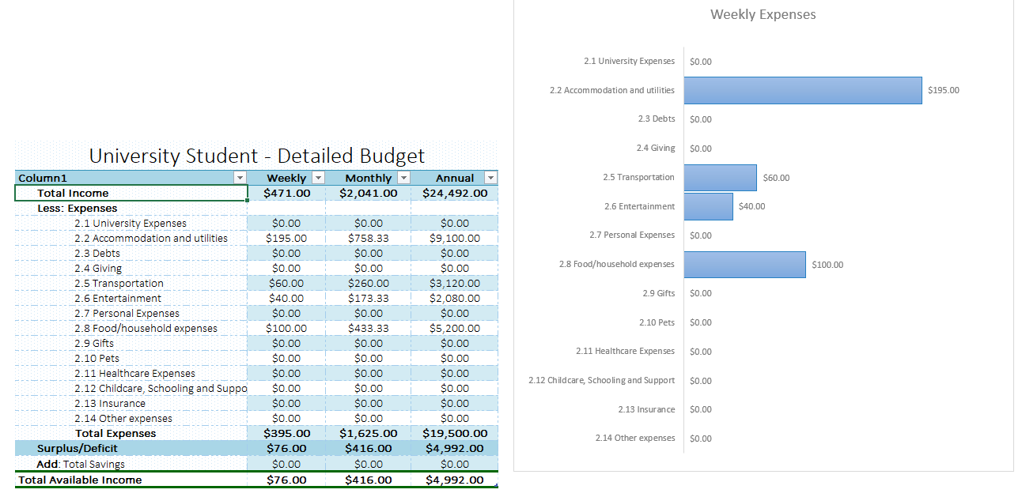
To prepare you budget you'll need your bank statement and details of all your weekly, monthly and annual expenses.
1. Go to the “Budget Calculator” tab.
2. In there your budget is broken down into Income, Expenses and Savings sections.

3. Just enter the costs/expenses (or income) into the empty cells and the calculator will do the work for you. Some columns allow you to enter a weekly amount, some a monthly amount and some an annual figure, and then our worksheet will calculate the other columns for you.

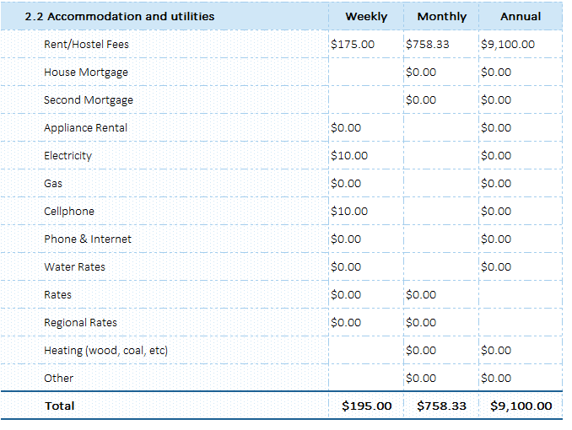

4. Once you are done, go to the “Overview” Tab, where you can see your Budget at a glance, whether it balances or not. You should see the projection for a week, month and a year, along with a Weekly expenses graph to see it in a bit more visual way.

Overview
Weekly Expenses

University Student - Detailed Budget
Column1 | Weekly | Monthly | Annual
Total Income | $0.00 | $0.00 | $0.00
Less: Expenses
2.1 University Expenses | $0.00 | $0.00 | $0.00
2.2 Accommodation and utilities | $0.00 | $0.00 | $0.00
2.3 Debts | $0.00 | $0.00 | $0.00
2.4 Giving | $0.00 | $0.00 | $0.00
2.5 Transportation | $0.00 | $0.00 | $0.00
2.6 Entertainment | $0.00 | $0.00 | $0.00
2.7 Personal Expenses | $0.00 | $0.00 | $0.00
2.8 Food/household expenses | $0.00 | $0.00 | $0.00
2.9 Gifts | $0.00 | $0.00 | $0.00
2.10 Pets | $0.00 | $0.00 | $0.00
2.11 Healthcare Expenses | $0.00 | $0.00 | $0.00
2.12 Childcare, Schooling and Support | $0.00 | $0.00 | $0.00
2.13 Insurance | $0.00 | $0.00 | $0.00
2.14 Other expenses | $0.00 | $0.00 | $0.00
Total Expenses | $0.00 | $0.00 | $0.00
Surplus/Deficit | $0.00 | $0.00 | $0.00
Add: Total Savings | $0.00 | $0.00 | $0.00
Total Available Income | $0.00 | $0.00 | $0.00

